ES
DRAFT Version 26 Feb 2018; sheet is protected to prevent formula corruption, unprotect to access non-blue cells, there is no password
Note: Enter data in blue cells. |  |  |  | To add: R2, sample size, semipartial effect calculations

Effect Sizes from |  |  | Effects Sizes from |  |  | Effect Size from |  | Effect Size d from |  |  | Convert d to r |  | Convert r to d
F-ratios |  |  | t-ratios |  |  | t-test with largely |  | descriptive statistics
 |  |  |  |  |  | unequal sample sizes |  |  | Group 1 | Group 2

F = | 5.34 |  | t = | -3.349 |  | t = | -3.349 | Mean = | 0.592 | 0.947 | d = |  | r =
df 1: predictor, set, between = | 3 |  | df (error)= | 100 |  | df = | 100 | SD = | 0.474 | 0.412
df 2: error, residual, within = | 210 |  |  |  |  | n group 1 = | 77 | n = | 77 | 25 | r = | 0 | d = | 0
n (total sample size) = |  |  |  |  |  | n group 2 = | 25 |  |  |  | f = | 0 | f = | 0
Mean Squared Error (MSe) = |  |  | d = | -0.6698 |  |  |  | Mean Difference = | -0.355 |  | f-squared= | 0 | f-squared= | 0
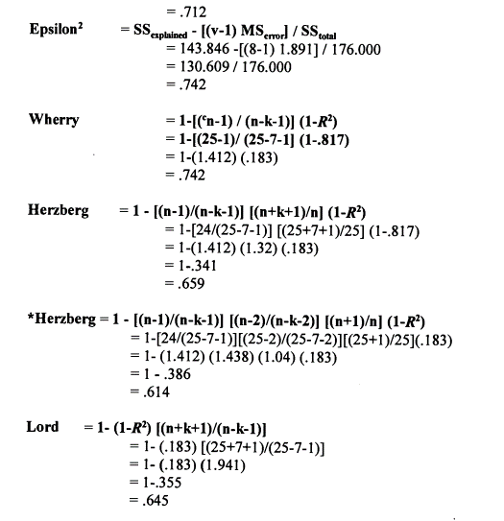
Model R2 or Eta2 = |  |  | f = | 0.3349 |  | d = | -0.77857409995 | Variance = | 0.224676 | 0.169744
Adjusted R2 = |  |  | f-squared = | 0.11215801 |  | r = | -0.36276853528 | Pooled SD = | 0.45988294163
 |  |  | partial r = | -0.31756446569 |  |  |  | d = | -0.77193556852
d = | 0.5523973725 |  | partial eta2 = | 0.10084718987 |  |  |  | r = | -0.360077926
f = | 0.27619868625
f-squared = | 0.076285714286 |  |  | full |  | R2 | adj R2
partial eta and r = | 0.26623050784 |  | Full Model R2 = |  |  | 0.456
partial eta2 and r2 = | 0.070878683302 |  | Reduced Model R2 = |  |  | 0.3803
 |  |  | Delta R2 and Adjust R2 = |  |  | 0.0757 | 0
 |  |  | f2 for delta R2 = |  |  | 0.13915441176 | 0
eta2 from F and R2 = (correct #6^2) | 0.076285714286 |  | semi partial r = |  |  | 0.0757 | 0
eta2 from f2 and R2 = (correct) | 0.076285714286 |  | sp r2 = |  |  | 0.00573049 | 0
omega2 from f2 and adj R2 = (no) | 0.076285714286
partial omega2 from #1 (estimate) = | 0.060183045207 |  |  |  |  |  |  | confirmed correct | semipartial eta and om |  |  | Formula --> | #b | #a | #c | #7 | #8 |  | #15 |  |  | #19 | #19 | #4 | #1 | #1 | #2 | #5 same | #6 | #6^2 | my attempt at |  | using adj
r2 from f2 - not correct | 0.2164229514 |  | Anova |  |  |  |  |  | Actual | Actual | SAS | SAS | actual | actual | actual | from R2 |  |  | ep2 | om2 |  | dfa+1 | Kelley | par. eta2 | par. om2 | par. ep2 | par. om2 | as #4 | semipar r | sp r 2 | sp om2 |  | r2 formula with mods |  |  |  |  | spr2 from f2
eta2 - incorrect result | 0.2164229514 |  | Source | SS |  | df | MS | F | Eta 2 | omega2 | par. eta2 | par. om2 | par. Eta2 | par. Om2 | omega2 | omega2 |  |  | from dfe | from dfe |  | ep2 | ep2 | from F | from F | from F | from F, n |  | from F | from F |  |  | Close estimates | Lord | McNemar | Wherry | f2 from spr2
 |  |  | model | 16066.607 | 8 | 5 | 3213.3214 | 164.00652074 | 0.68050656984 | 0.67579649272 |  |  |  |  |  |  |  | 0.6875584514 | 0.67967671678 | 0.68009164331 | 0.67467765456 | 0.66095103838 | 0.66009485414 |  |  |  |  |  | 0.82492822102 | 0.68050656984 |  |  | 0.67635730452 | 0.67220803919 | 0.67635730452 |  | 2.1299548147 | 0.68050656984
partial omega2 (confirm formula) | 0.057351775174 |  | origin | 954.626 |  | 2 | 477.313 | 24.361847038 | 0.040433506884 | 0.038741650876 | 0.2496 | 0.2244 | 0.11233809622 | 0.10674243754 | 0.038741650876 |  |  | 0.040537449061 | 0.037941126383 | 0.039187316634 | 0.10625693977 | 0.040023014429 | 0.037580324898 | 0.11233809622 | 0.10625693977 | 0.10772686555 | 0.10674243754 | 0.11233809622 | 0.20108084664 | 0.040433506884 | 0.19742130452 | 0.038975171478 | 0.035487287848 | 0.015509701868 | 0.027971604376 |  | 0.042137264248 | 0.040433506884
partial epsilon2 (confirm formula) | 0.057605521635 |  | horse | 4115.664 |  | 1 | 4115.664 | 210.06169291 | 0.17432033977 | 0.17334663447 | 0.6771 | 0.6488 | 0.35300826018 | 0.3484003318 | 0.17334663447 |  |  | 0.17432033977 | 0.17217571728 | 0.17324802853 | 0.34724297422 | 0.17553417942 | 0.17343095029 | 0.35300826018 | 0.34782069025 | 0.35132776215 | 0.3484003318 | 0.35300826018 | 0.41751687364 | 0.17432033977 | 0.409918335 | 0.16803304137 | 0.17220321244 | 0.15287411483 | 0.1635972273 | 0.17432033977 | 0.21112345159 | 0.17432033977
partial omega2 (2nd formula) | 1 |  | interaction | 503.874 |  | 2 | 251.937 | 12.858754438 | 0.021341753575 | 0.019665727779 | 0.2065 | 0.1647 | 0.06261605196 | 0.057189552814 | 0.019665727779 |  |  | 0.021396616694 | 0.018799784103 | 0.020070768839 | 0.056915076453 | 0.021125086026 | 0.018634310163 | 0.06261605196 | 0.056915076453 | 0.057746524958 | 0.057189552814 | 0.06261605196 | 0.14608817055 | 0.021341753575 | 0.14342945978 | 0.020572009932 | 0.016310091639 | -0.0040779411378 | 0.0086319062184 |  | 0.021807156535 | 0.021341753575
Above ES can only be positive so do |  |  | error | 7543.168 |  | 385 | 19.592644156 |  | sp Eta2 | sp Om2 | SPSS and
not assume the ES is not negative. |  |  | Total SS | 23609.775 |  | 390 |  |  |  |  | SAS agree |  |  |  |  |  |  |  | Stata labels
 |  |  | Model R2 = | 0.68050656984 |  | 391 | = n |  |  |  | Stata calls this eta2, not partial eta2 |  |  |  |  |  |  |  | this omega2
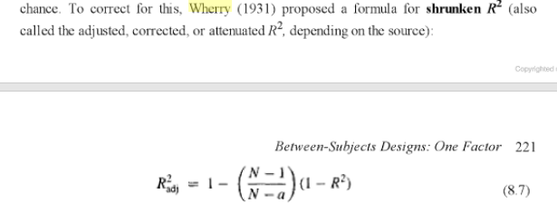
(1) Above are local effect size f2 when |  |  | Adjusted R2 = | 0.67635730452 |  |  | R2 = F*df/(F*df+dfe) |  | 0.11233809622
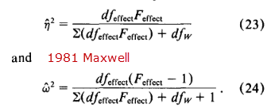
multiple predictors present |  |  | calculated adj R2 = |  |  | 0.67635730452 |  |  |  |  | Ratio of eta2 to omega2
(2) Semipartial r not possible without |  |  |  |  |  |  |  |  |  |  | 1.0069696679 |  | 0.67579649272
model R2 |  |  |  |  |  | 7543.168 |  |  |  |  | 1.0436702095 |  | 0.038741650876
(3) Formula for partial omega2 |  |  | 0.31949343016 |  |  | 23609.775 |  |  |  |  | 1.0056170995 |  | 0.17334663447
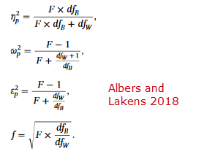
and epsilon2 from |  |  |  |  |  |  |  |  |  |  | 1.0852257193 |  | 0.019665727779
http://daniellakens.blogspot.com/2015/06/why-you-should-use-omega-squared.html
and work with multi-way anova
despite claim only with one-way
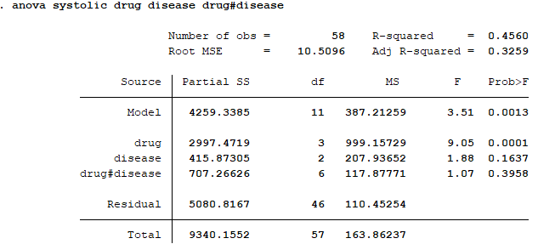
anova - results match Stata effect
sizes except he is correct,
Stata reports epsilon rather than
omega2
(4) Partial eta2 omega2 ep2 = |  |  |  |  |  | ANSWER to items 7, 8, 9 to left with Eysenck data - need
of the variance not explained by |  |  |  |  |  | to use N formula (see below) for partial omega2, is Stata formula wrong?
other factors in the model, what
proportion is explained by this IV?
(5) eta2 = of all the variance in Y,
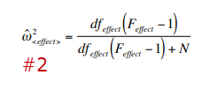
what proportion is uniquely
associated with this IV controlling
for other Ivs
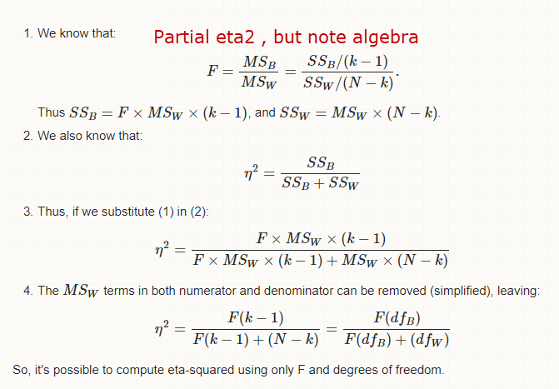
(6) Keppel encourages partial omega
squared says one internet source -
check this
(7) My partial eta and omega squared
do not agree with SAS results shown
by Wuensch here
http://core.ecu.edu/psyc/wuenschk/SAS/Effectsize_GLM.pdf |  |  |  |  |  |  |  |  | source of left formula for partial om2
(8) does not agree with om2 |  |  |  |  |  |  |  |  | https://pdfs.semanticscholar.org/9e04/3da06eacfd1a8719bfeea437a8e1d9ade48d.pdf
here on page 284
https://books.google.com/books?id=jmgMnLCQRPMC&pg=PA300&lpg=PA300&dq=%22partial+omega%22+for+two-way+anova&source=bl&ots=LIQ25-wx-d&sig=mfIgj9HJN1Ernrm9bwir-yz8Rh8&hl=en&sa=X&ved=0ahUKEwjM0v_eks7ZAhWFtlMKHfIfA404ChDoAQg6MAE#v=onepage&q=%22partial%20omega%22%20&f=false
(9) Here uses Eysench data
http://www.psychology.mcmaster.ca/bennett/humbehv3hb3/lectures/week11_factorial-ANOVA_3HB3-v2.pdf
looks like Wuensch data too - maybe
did not use type 3 SS? Even Cohen f
differs from my calcualtions
replciate - raw data provided.

 |  | 3.11 | 3.11
 |  |  | 1
 |  |  | 57
 |  |  | 0.051738479454
 |  |  | R2 = F*df/(F*df+dfe)

 | F
 | df1
 | df2
 | R2

Omega2
Two tables - here and one below. Below has R2 adjustment formula attempts |  |  |  |  |  |  |  |  |  | Okada
 |  |  |  |  |  | Correct | Correct | Correct? |  | eta2 |  | n/n-dfa | n/n-1 |  |  | #13 | omega2 | ep2 | 23 | 24 | #15 | #16 | #17 | #19 | #19
 |  |  |  |  |  | Correct | #c |  | ES d | from |  | My Form. |  | partial | (1-R2) |  | from R2 | from R2 | eta2 from | omega2 | ep2 | om2 | ep2 | ep2 | ep2
ANOVA | Source | SS | DF | MS | F | eta2 | omega2 | ep2 |  | d |  | om2 est. |  | eta2 |  |  | k = dfa | k = dfa | F | from F | from dfe |  |  | k+1 | k
 | 1 | 190 | 2 | 95 | 4.788238574 | 0.036395399621 | 0.028685381207 | 0.028794399993 | 1.0941022089 | 0.16632620859 | 0.094278492589 | -0.0084234190008 | 0.014495295067 | 0.2303340207 | 0.96360460038 | 0.032358630017 | 0.013679442093 | 0.01398599031 | 0.05270619983 | 0.046944117904 | 0.0062827558597 | 0.021339077741 | 0.01398599031 | -0.0094905337299 | 0.01398599031
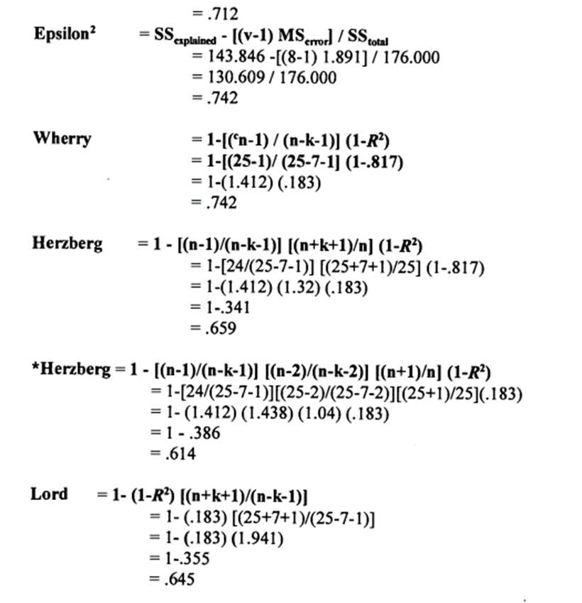
 | 2 | 1543.333 | 2 | 771.6665 | 38.89392949 | 0.2956327436 | 0.2869412239 | 0.28803174397 | 3.1182498894 |  |  | 0.26287147586 | 0.27962439686 | 0.70852879091 | 0.7043672564 | 0.30524737684 | 0.27475150591 | 0.27925210973 |  |  | 0.27362126684 | 0.28462700522 | 0.27925210973 | 0.26209144568 | 0.27925210973
 | 3 | 1236.667 | 4 | 309.16675 | 15.582780612 | 0.23688941928 | 0.22084808691 | 0.22168742003 | 2.7913062007 |  |  | 0.16243960653 | 0.21954599699 | 0.66076943463 | 0.76311058072 | 0.20721001194 | 0.17774381135 | 0.18105205972 |  |  | 0.21304221364 | 0.22496581646 | 0.18105205972 | 0.16057836121 | 0.18105205972
 | 4 | 1615.111 | 4 | 403.77775 | 20.351412609 | 0.30938215936 | 0.29306636145 | 0.2941801601 | 3.1899382917 |  |  | 0.24200480905 | 0.29368629934 |  | 0.69061784064 | 0.28464268659 | 0.25456123131 | 0.25884914663 |  |  | 0.28780035184 | 0.2985912556 | 0.25884914663 | 0.24032037529 | 0.25884914663
 | 5 |  |  | #DIV/0! | #DIV/0! | 0 | 0 | 0 | #DIV/0! |  |  | 0 | -0.022727272727 |  | 1 | 0.029174901186 | 0.021739130435 | 0.022222222222 | requires all F*DF in |  | -0.03125 | -0.015625 | 0.022222222222 | 0 | 0.022222222222
 | 6 |  |  | #DIV/0! | #DIV/0! | 0 | 0 | 0 | #DIV/0! |  |  | 0 | -0.022727272727 |  | 1 | 0.029174901186 | 0.021739130435 | 0.022222222222 | model - too |  | -0.03125 | -0.015625 | 0.022222222222 | 0 | 0.022222222222
 | 7 |  |  | #DIV/0! | #DIV/0! | 0 | 0 | 0 | #DIV/0! |  |  | 0 | -0.022727272727 |  | 1 | 0.029174901186 | 0.021739130435 | 0.022222222222 | cumbersome |  | -0.03125 | -0.015625 | 0.022222222222 | 0 | 0.022222222222
 | 8 |  |  | #DIV/0! | #DIV/0! | 0 | 0 | 0 | #DIV/0! |  |  | 0 | -0.022727272727 |  | 1 | 0.029174901186 | 0.021739130435 | 0.022222222222 |  |  | -0.03125 | -0.015625 | 0.022222222222 | 0 | 0.022222222222
 | 9 |  |  | #DIV/0! | #DIV/0! | 0 | 0 | 0 | #DIV/0! |  |  | 0 | -0.022727272727 |  | 1 | 0.029174901186 | 0.021739130435 | 0.022222222222 |  |  | -0.03125 | -0.015625 | 0.022222222222 | 0 | 0.022222222222
 | 10 |  |  | #DIV/0! | #DIV/0! | 0 | 0 | 0 | #DIV/0! |  |  | 0 | -0.022727272727 |  | 1 | 0.029174901186 | 0.021739130435 | 0.022222222222 |  |  | -0.03125 | -0.015625 | 0.022222222222 | 0 | 0.022222222222
 | 11 |  |  | #DIV/0! | #DIV/0! | 0 | 0 | 0 | #DIV/0! |  |  | 0 | -0.022727272727 |  | 1 | 0.029174901186 | 0.021739130435 | 0.022222222222 |  |  | -0.03125 | -0.015625 | 0.022222222222 | 0 | 0.022222222222
 | 12 |  |  | #DIV/0! | #DIV/0! | 0 | 0 | 0 | #DIV/0! |  |  | 0 | -0.022727272727 |  | 1 | 0.029174901186 | 0.021739130435 | 0.022222222222 |  |  | -0.03125 | -0.015625 | 0.022222222222 | 0 | 0.022222222222
 | Error | 634.889 | 32 | 19.84028125 |  | 0.12161599405
 | Corrected Model | 4585.551 | 12 | 382.12925 | 19.260273843 | 0.87838400595 |  |  | mine-> | n/n-dfa | yes
 | Corrected Total | 5220.44 | 44 |  |  |  |  |  |  | n/n-dfa-1 | maybe | smaller estimates than n/n-dfa, too small
 | n |  | 45 |  |  |  |  |  |  | n-1/n-dfa | no | does not correct for df=1
 | R2 | 0.87838400595 |  |  |  |  |  |  |  | n-1/n-dfa-1 | maybe | similar to n/n-dfa, smaller
 | Adj R2 | 0.83277800818 |  |  |  |  |  |  |  | n-2/n-dfa-2 | maybe | similar to n/n-dfa, smaller
 | Wherry Adj R2 | 0.83784534126 |  |  |  |  |  |  |  | n/n-dfa-2 | no | too small
 | Wherry with n-m-1 | 0.86402800818 |  |  |  |  |  |  |  | n-1/n-dfa-2 | no | too small
 |  |  |  |  |  |  |  |  |  | n+1/n-dfa | no | too small
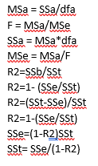
 |  |  |  |  |  |  |  |  |  | n+2/n-dfa | no | too small

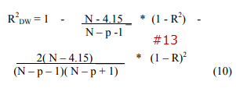
 |  |  |  |  |  |  |  |  |  | n-2/n-k-2 | no
 |  |  |  |  |  |  |  |  |  | n-1/n-1 | no
 |  |  |  |  |  |  |  |  |  | n/n-k | no
 |  |  |  |  |  |  |  |  |  | n/n-k-1 (dfe) | no
 |  |  |  |  |  |  |  |  |  | n-1/n-k-1 (dfe) | no
 |  |  |  |  |  |  |  |  |  | n-dfa/n-k-1 (dfe) | no
 |  |  |  |  |  |  |  |  |  | n+dfa/n-k-1 (dfe) | no

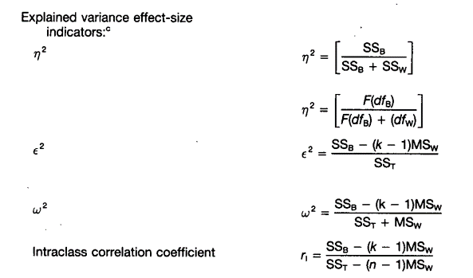
 |  |  |  |  |  |  |  |  |  | Wherry |  | Herzberg | Herzberg | Lord | Lord
 |  |  |  |  |  | Correct | Correct | n/n-dfiv | n/n | n-1/dferr | n/n-1 |  | random eff
 |  |  |  |  |  | Correct | #c | My Form. | n only | adj R2 form |  |  |  | k = all | k = dfiv
ANOVA | Source | SS | DF | MS | F | eta2 | omega2 | om2 est. | om2 est. | om2 est
 | 1 | 240.25 | 1 | 240.25 | 12.109203341 | 0.046021025048 | 0.042060673651 | 0.024339684708 | 0.046021025048 | -0.31172109056 | 0.024339684708 | 0.067220557824 | -0.85991707321 | -0.7290868921 | -0.04272120518
 | 2 | 1514.94 | 4 | 378.735 | 19.089195119 | 0.29019393001 | 0.27395078087 | 0.22094455733 | 0.29019393001 | 0.024016653769 | 0.27406197388 | 0.30596739824 | -0.3838674257 | -0.28652350185 | 0.11274241252
 | 3 | 190.3 | 4 | 47.575 | 2.3978994753 | 0.036452866042 | 0.021170408651 | -0.057551732393 | 0.036452866042 | -0.32487730919 | 0.014554067543 | 0.057865024574 | -0.87857155382 | -0.7464291803 | -0.20443391745
 | 4 |  |  | #DIV/0! | #DIV/0! | 0 | 0 | 0 | 0 | -0.375 | -0.022727272727 | 0.022222222222 | -0.94964157706 | -0.8125 | -0.045454545455
 | 5 |  |  | #DIV/0! | #DIV/0! | 0 | 0 | 0 | 0 | -0.375 | -0.022727272727 | 0.022222222222 | -0.94964157706 | -0.8125 | -0.045454545455
 | 6 |  |  | #DIV/0! | #DIV/0! | 0 | 0 | 0 | 0 | -0.375 | -0.022727272727 | 0.022222222222 | -0.94964157706 | -0.8125 | -0.045454545455
 | 7 |  |  | #DIV/0! | #DIV/0! | 0 | 0 | 0 | 0 | -0.375 | -0.022727272727 | 0.022222222222 | -0.94964157706 | -0.8125 | -0.045454545455
 | 8 |  |  | #DIV/0! | #DIV/0! | 0 | 0 | 0 | 0 | -0.375 | -0.022727272727 | 0.022222222222 | -0.94964157706 | -0.8125 | -0.045454545455
 | 9 |  |  | #DIV/0! | #DIV/0! | 0 | 0 | 0 | 0 | -0.375 | -0.022727272727 | 0.022222222222 | -0.94964157706 | -0.8125 | -0.045454545455
 | 10 |  |  | #DIV/0! | #DIV/0! | 0 | 0 | 0 | 0 | -0.375 | -0.022727272727 | 0.022222222222 | -0.94964157706 | -0.8125 | -0.045454545455
 | 11 |  |  | #DIV/0! | #DIV/0! | 0 | 0 | 0 | 0 | -0.375 | -0.022727272727 | 0.022222222222 | -0.94964157706 | -0.8125 | -0.045454545455
 | 12 |  |  | #DIV/0! | #DIV/0! | 0 | 0 | 0 | 0 | -0.375 | -0.022727272727 | 0.022222222222 | -0.94964157706 | -0.8125 | -0.045454545455
 | Error | 722.3 | 90 | 8.0255555556 |  | 0.13835998498
 | Corrected Model | 1945.49 | 9 | 216.16555556 | 10.895286858 | 0.3726678211 |  |  | same as
 | Corrected Total | 2667.79 | 99 |  |  |  |  |  | eta2
 | n |  | 100
 | R2 | 0.72925155278
 | Adj R2 | 0.70217670806
 | Wherry Adj R2 | 0.70544949149
 | Wherry with n-m-1 | 0.71328781917

